Instructions & Demographics
Infection Control Assessment and Response (ICAR) for Portable and Mobile Dental Settings

Instructions: This ICAR tool is designed to provide a subjective assessment of the infection control program for a mobile or portable dental program. The tool is divided into two sections, covering a review of policies and practices for the program and direct observation of dental health care personnel (DHCP) infection control processes to provide an assessment and feedback to the program. Each section contains elements to be assessed relating to different infection control domains that can be answered as "Yes," "No," "In-Progress," or "Not Applicable." Once completed, the reviewer should provide feedback to the program to improve the infection control policies, procedures, and processes.
Demographics
Program Name
Program Contact
Phone
Email
Reviewer
Date of Review
Program Type | Mobile (in a van or trailer)
 | Portable (equipment transported to treatment site)
# Dentists
# Hygienists
# Assistants
# Other Staff
Patient Populations | General
 | Pediatrics
 | Special Needs
 | Specialty (oral surgery, periodontics, endodontics, etc.)

Developed By:
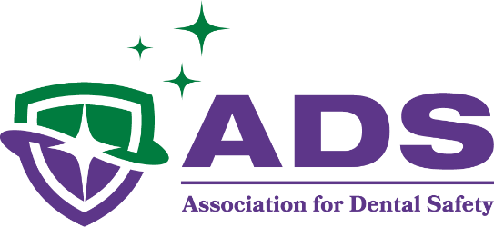

Current as of Jan 8, 2026

Although ADS believes that the information contained herein is accurate, it necessarily reflects ADS's interpretation of CDC guidelines. Moreover, inadvertent errors may occur. Accordingly, ADS makes no representations of any kind that its interpretations are always correct, complete, or up-to-date and expressly disclaims any representation that this ICAR tool satisfies any applicable standard of care. Users of this ICAR tool are encouraged to read the CDC guidelines and reach their own conclusions regarding any matter subject to interpretation. ADS shall not be liable for any direct, indirect, incidental, special, or consequential damages resulting from the user’s reliance upon the material contained herein.

